Statistics & Graph
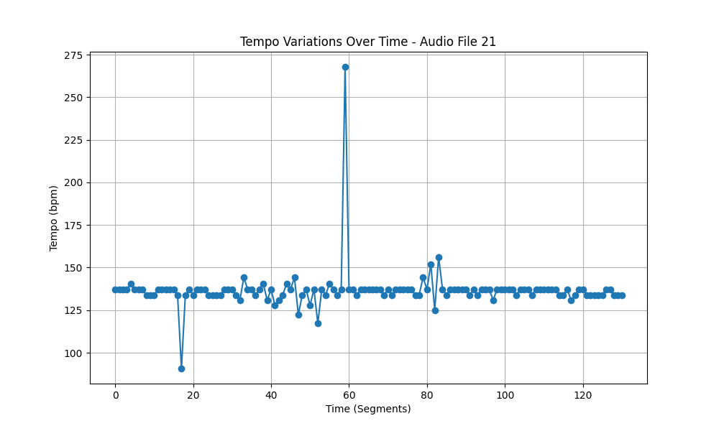
Metric | Value
Mean | 136.69370247
Standard Deviation | 12.817708107
Coefficient of Variation (CV) | 9.3769558328

